Setting
PDF to Excel Converter

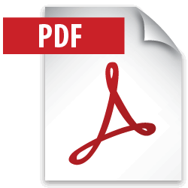

Input files | PDF Files Folder | C:\Users\User\Desktop\excel\PDF Folder
Output Output | Excel File Folder | C:\Users\User\Desktop\excel\Excel F

Start Conversion

